Case #1
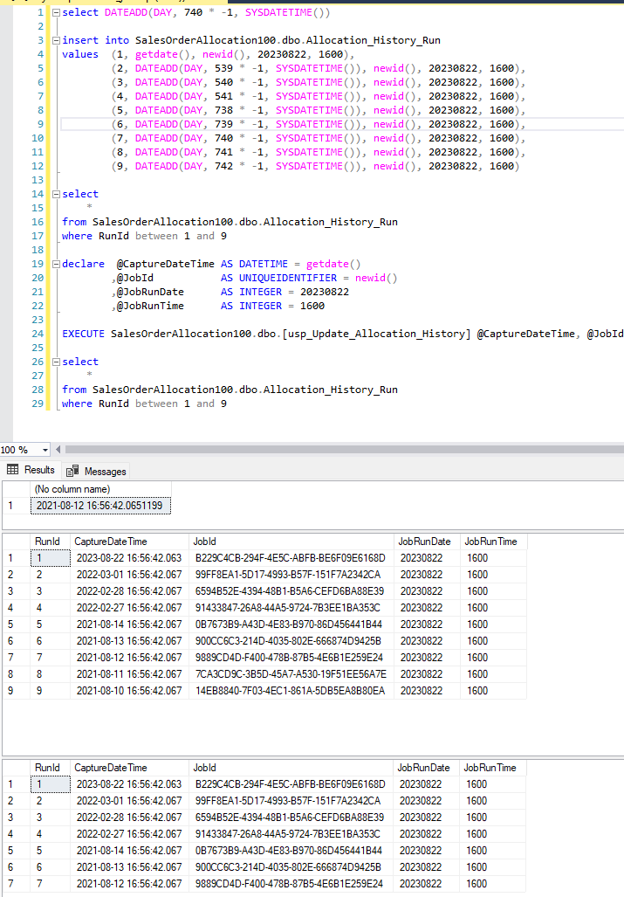
Justin Pope Dev Test
Test Case No. | 1
Process | Unit Testing
Test Consideration | 1)
Test Condition |  | Data Used | How To Verify | Actual Results
Tasks
 | Unit Testing
Configuration/Data Setup for Testing Scenario
Verification
Test Cast Screens Shots Before and After

